Rack Housing
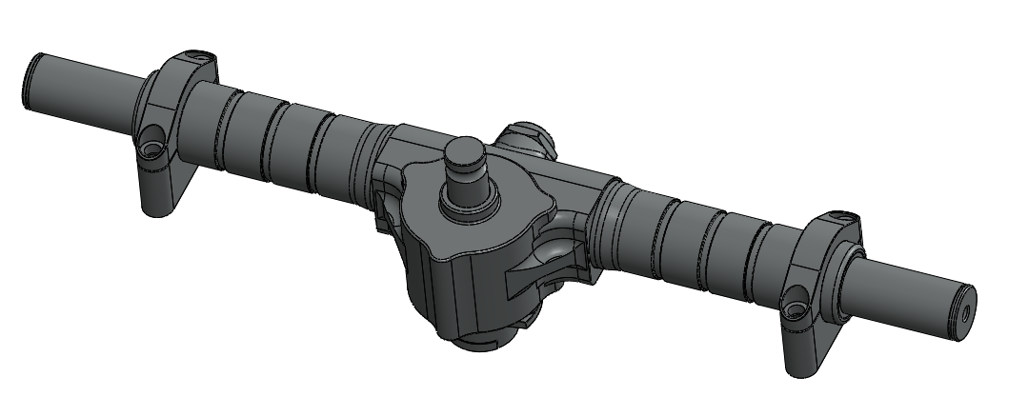
University | VIT University |  |  |  |  |  |  |  | Car # | 254 |  | Part Cost | $19.98
System | Suspension |  | FileLink1 |  |  |  |  |  |  |  |  | Qty | 1
Assembly | Steering Rack Assembly |  | FileLink2 |  |  |  |  |  | FileLink1 | Back to BOM
Part | Rack Housing |  | FileLink3 |  |  |  |  |  | FileLink2 |  |  | Extended Cost | $19.98
P/N Base |  |  |  |  |  |  |  |  | FileLink3
Suffix | AA
Details | Aluminum rack housing to cover the rack bar and other components

ItemOrder | Material | Use | UnitCost | Size1 | Unit1 | Size2 | Unit2 | Area Name | Area | Length | Density | Quantity | Sub Total
1 | Aluminum,Premium | Raw material to Cast rack housing | $4.20 | 1.05 | Kg |  |  | Cross Sectional | 0.0130 | 0.030 | 2,700.00 | 1 | $4.42
 |  |  |  |  |  |  |  |  |  |  |  | Sub Total | $4.42

ItemOrder | Process | Use | UnitCost | Unit | Quantity | Multiplier | Mult. Val. | Sub Total
1 | Die Casting | To cast the housing | $4.00 | Kg | 1.56 | Aluminum | 1 | $6.24
2 | Hand Finish - Material Removal | To finish the surface | $0.20 | cm^3 | 5.01 | Aluminum | 1 | $1.00
3 | Drilled holes < 25.4 mm dia. | To drill holes to attach the dust cover | $0.35 | hole | 4 | Hole Length >= 4D | 1.5 | $2.10
4 | Tapping Holes | To tap the holes | $0.35 | hole | 3 | Hole Length >= 4D | 1.5 | $1.57
5 | Threading, Internal (machining) | To make threads for the bolt | $0.10 | cm | 13.0556 | Aluminum | 1 | $1.31
 |  |  |  |  |  |  | Sub Total | $12.22

ItemOrder | Fastener | Use | UnitCost | Size1 | Unit1 | Size2 | Unit2 | Quantity | Sub Total
 |  |  |  |  |  |  |  |  | $-
 |  |  |  |  |  |  |  | Sub Total | $-

ItemOrder | Tooling | Use | UnitCost | Unit | Quantity | PVF | FracIncld | Sub Total
1 | Die Casting - Die | To make the die | $10,000.00 | die | 1 | 3000 | 1 | $3.33
 |  |  |  |  |  |  | Sub Total | 3.33

Rack Housing Draft
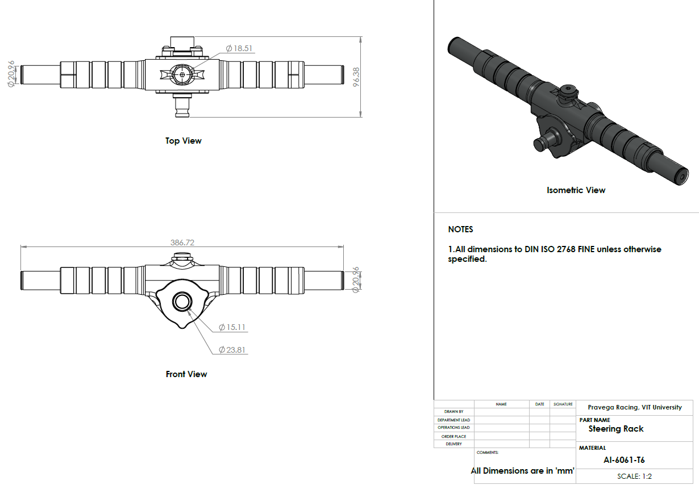

Coupler
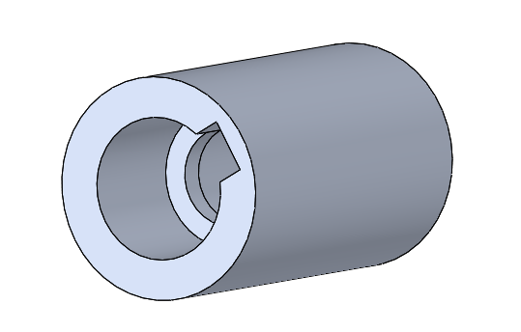
University | VIT University |  |  |  |  |  |  |  | Car # | 254 |  | Part Cost | $13.79
System | Steering |  | FileLink1 |  |  |  |  |  |  |  |  | Qty | 1
Assembly | Steering Rack Assembly |  | FileLink2 |  |  |  |  |  | FileLink1 | Back to BOM
Part | Coupler |  | FileLink3 |  |  |  |  |  | FileLink2 |  |  | Extended Cost | $13.79
P/N Base |  |  |  |  |  |  |  |  | FileLink3
Suffix | AA
Details | To connect the pinion adapter and the pinion shaft

ItemOrder | Material | Use | UnitCost | Size1 | Unit1 | Size2 | Unit2 | Area Name | Area | Length | Density | Quantity | Sub Total
1 | Steel,Alloy | Material to make coupler | $2.25 | 0.23 | Kg |  |  | Cross sectional | 0.00049 | 0.06 | 7,850.00 | 1 | $0.52
 |  |  |  |  |  |  |  |  |  |  |  | Sub Total | $0.520

ItemOrder | Process | Use | UnitCost | Unit | Quantity | Multiplier | Mult. Val. | Sub Total
1 | Machining Setup, Install and remove | To install the billet on lathe | $1.30 | unit | 1 | None | 1 | $1.30
2 | Machining | To turn and face from one end | $0.04 | cm^3 | 1.152 | Steel | 3 | $0.14
3 | Machining Setup, Change | To change the setup to turn and face from the other end | $0.65 | unit | 1 | None | 1 | $0.65
4 | Machining | To turn and face from the other end | $0.04 | cm^3 | 1.152 | Steel | 3 | $0.14
5 | Drilled holes < 25.4 mm dia. | To drill the hole | $0.35 | hole | 1 | Hole Length >= 4D | 1.5 | $0.52
6 | Machining Setup, Install and remove | To make the internal keyway | $1.30 | unit | 1 | None | 1 | $1.30
7 | Machining | To make the keyway in the slotter machine | $0.04 | cm^3 | 0.96 | Steel | 3 | $0.12
8 | Machining Setup, Install and remove | To install the coupler on an internal broaching machine | $1.30 | unit | 1 | None | 1 | $1.30
9 | Broach, Internal | To make splines on the Internal part | $0.50 | cm | 5.2 | Steel | 3 | $7.80
 |  |  |  |  |  |  | Sub Total | $13.27

ItemOrder | Fastener | Use | UnitCost | Size1 | Unit1 | Size2 | Unit2 | Quantity | Sub Total
 |  |  |  |  |  |  |  |  | $-
 |  |  |  |  |  |  |  | Sub Total | $-

ItemOrder | Tooling | Use | UnitCost | Unit | Quantity | PVF | FracIncld | Sub Total
 |  |  |  |  |  |  |  | $-
 |  |  |  |  |  |  | Sub Total | $-

Upper Rack Clamps
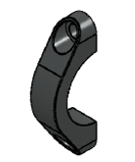
University | VIT University |  |  |  |  |  |  |  | Car # | 254 |  | Part Cost | $5.52
System | Steering |  | FileLink1 |  |  |  |  |  |  |  |  | Qty | 2
Assembly | Steering Rack |  | FileLink2 |  |  |  |  |  | FileLink1 | Back to BOM
Part | Upper Rack Clamps |  | FileLink3 |  |  |  |  |  | FileLink2 |  |  | Extended Cost | $11.04
P/N Base |  |  |  |  |  |  |  |  | FileLink3
Suffix | AA
Details | 2 Upper aluminum clamps for mounting steering rack on the chassis

ItemOrder | Material | Use | UnitCost | Size1 | Unit1 | Size2 | Unit2 | Area Name | Area | Length | Density | Quantity | Sub Total
1 | Aluminum, Premium | Aluminum billet for upper clamp | $4.20 | 0.15 | kg |  |  | Cross Sectional | 0.0018 | 0.030 | 2,700.00 | 1 | $0.63
 |  |  |  |  |  |  |  |  |  |  |  | Sub Total | $0.626

ItemOrder | Process | Use | UnitCost | Unit | Quantity | Multiplier | Mult. Val. | Sub Total
1 | Machining Setup, Install and remove | Install the rectangular billet for milling from front surface | $1.30 | unit | 1 | None | 1 | $1.30
2 | Machining | Material removal to obtain the External Profile | $0.04 | cm^3 | 47.35 | Aluminum | 1 | $1.89
3 | Machining Setup, Change | Install the block for drilling from top surface | $0.65 | unit | 1 | None | 1 | $0.65
4 | Drilled holes < 25.4 mm dia. | To drill the hole for attachment with upper rack clamp through bolt | $0.35 | hole | 2.00 | Hole Length >= 4D | 1.5 | $1.05
 |  |  |  |  |  |  | Sub Total | $4.89

ItemOrder | Fastener | Use | UnitCost | Size1 | Unit1 | Size2 | Unit2 | Quantity | Sub Total
 |  |  |  |  |  |  |  |  | $-
 |  |  |  |  |  |  |  | Sub Total | $-

ItemOrder | Tooling | Use | UnitCost | Unit | Quantity | PVF | FracIncld | Sub Total
 |  |  |  |  |  |  |  | $-
 |  |  |  |  |  |  | Sub Total | $-

Upper Rack Clamps Draft
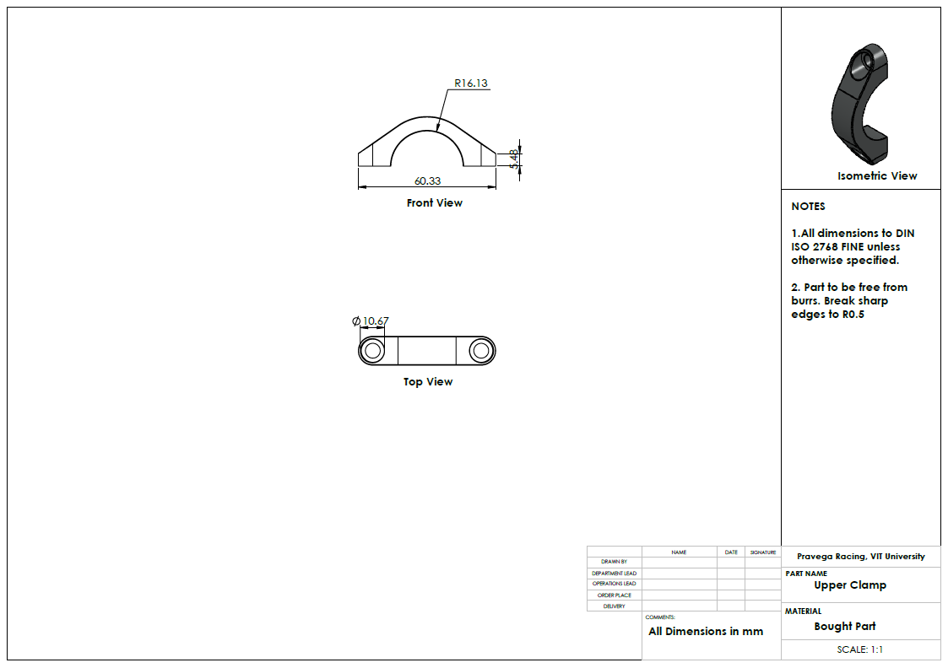

Lower Rack Clamps
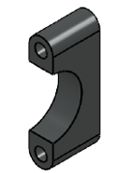
University | VIT University |  |  |  |  |  |  |  | Car # | 254 |  | Part Cost | $4.76
System | Steering |  | FileLink1 |  |  |  |  |  |  |  |  | Qty | 2
Assembly | Steering Rack Assembly |  | FileLink2 |  |  |  |  |  | FileLink1 | Back to BOM
Part | Lower Rack Clamps |  | FileLink3 |  |  |  |  |  | FileLink2 |  |  | Extended Cost | $9.52
P/N Base |  |  |  |  |  |  |  |  | FileLink3
Suffix | AA
Details | 2 Lower aluminum clamps for rack mounting on the chassis

ItemOrder | Material | Use | UnitCost | Size1 | Unit1 | Size2 | Unit2 | Area Name | Area | Length | Density | Quantity | Sub Total
1 | Aluminum, Premium | Aluminum block for lower clamp | $4.20 | 0.16 | kg |  |  | Cross Sectional | 0.0021 | 0.028 | 2,700.00 | 1 | $0.65
 |  |  |  |  |  |  |  |  |  |  |  | Sub Total | $0.653

ItemOrder | Process | Use | UnitCost | Unit | Quantity | Multiplier | Mult. Val. | Sub Total
1 | Machining Setup, Install and remove | Install the rectangular billet for milling from front surface | $1.30 | unit | 1 | None | 1 | $1.30
2 | Machining | Material removal to obtain the external profile | $0.04 | cm^3 | 27.62 | Aluminum | 1 | $1.10
3 | Machining Setup, Change | Install the block for drilling from top surface | $0.65 | unit | 1 | None | 1 | $0.65
4 | Drilled holes < 25.4 mm dia. | To drill the hole for attachment with upper rack clamp through bolt | $0.35 | hole | 2.00 | Hole Length >= 4D | 1.5 | $1.05
 |  |  |  |  |  |  | Sub Total | $4.10

ItemOrder | Fastener | Use | UnitCost | Size1 | Unit1 | Size2 | Unit2 | Quantity | Sub Total
 |  |  |  |  |  |  |  |  | $-
 |  |  |  |  |  |  |  | Sub Total | $-

ItemOrder | Tooling | Use | UnitCost | Unit | Quantity | PVF | FracIncld | Sub Total
 |  |  |  |  |  |  |  | $-
 |  |  |  |  |  |  | Sub Total | $-

Lower Rack Clamp Draft
